Results overview
PLTL, labeled with DyLight488, 0.31 μg/ml
glycan array chip from Semiotik LLC

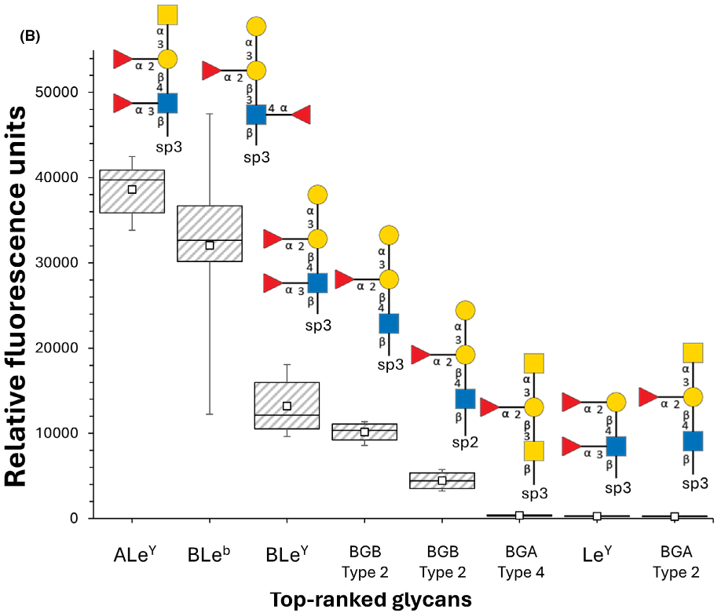

Box and whisker plot for glycan array screening of DyLight488-labeled PLTL (n = 6). Depiction of the eight oligosaccharides with a signal-to-noise ratio greater than 10. The box’s lower and upper edges represent the ﬁrst and third quartiles, with the band inside indicating the median. The whiskers extend to the minimum and maximum values of the data, and the small squares within the boxes signify the mean. | sp2: O(pC6H4)OCH2CH2NH2
 | sp3: O(CH2)3NH2

